Natural gas
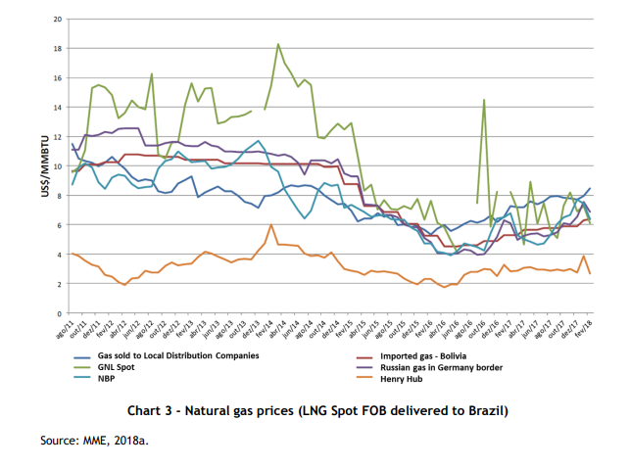

2018 price | 0.000007312

